Measurement
Sample Measurement Record
Mano Engineering LLC |  |  |  |  |  |  |  |  |  |  |  |  |  | Part # 328-0196-000
No. | A | B | C | D | E | F | G | H | I | J | K | L | M | N
1 | 0.0390 | 0.0770 | 0.0590 | 0.0970 | 0.0220 | 0.0370 | 0.0690 | 0.1020 | 0.1230 | 0.1730 | 0.0150 | 0.0220
2 | 0.0380 | 0.0780 | 0.0590 | 0.0970 | 0.0220 | 0.0380 | 0.0700 | 0.1010 | 0.1220 | 0.1720 | 0.0160 | 0.0210
3 | 0.0380 | 0.0770 | 0.0590 | 0.0970 | 0.0210 | 0.0380 | 0.0700 | 0.1010 | 0.1220 | 0.1720 | 0.0150 | 0.0210
4 | 0.0380 | 0.0770 | 0.0590 | 0.0970 | 0.0220 | 0.0380 | 0.0700 | 0.1010 | 0.1220 | 0.1710 | 0.0150 | 0.0210
5 | 0.0380 | 0.0780 | 0.0590 | 0.0970 | 0.0220 | 0.0380 | 0.0690 | 0.1010 | 0.1230 | 0.1730 | 0.0150 | 0.0220

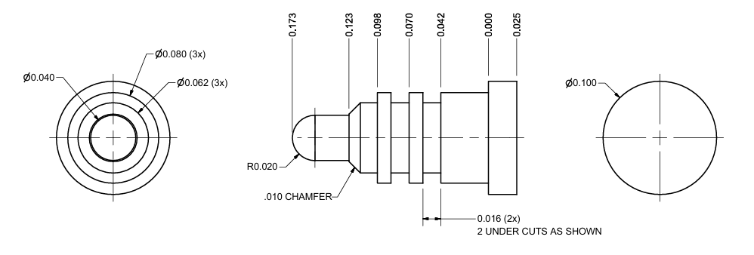
J
I
H
F
G
E
B
A
D
C

L

M
K

